Bugs List (8)
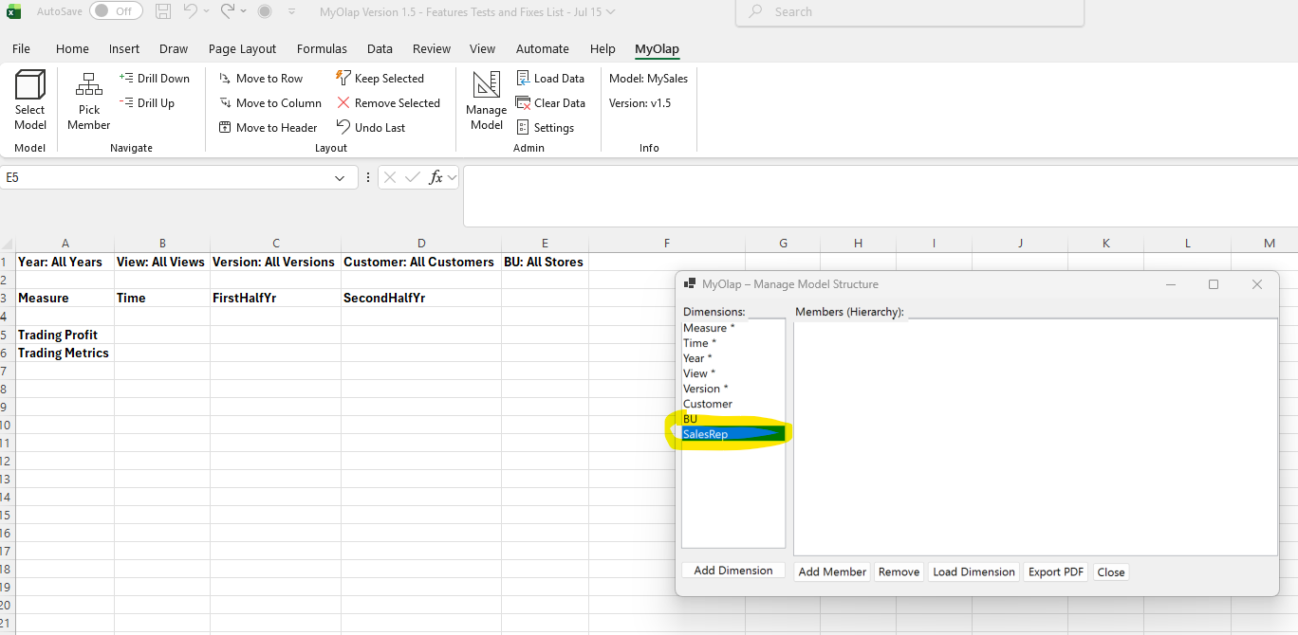
When a new dimension is added in the manage Model, upon close the new dimension does not show up in the default view. Please add. | OK

Bugs List (7)
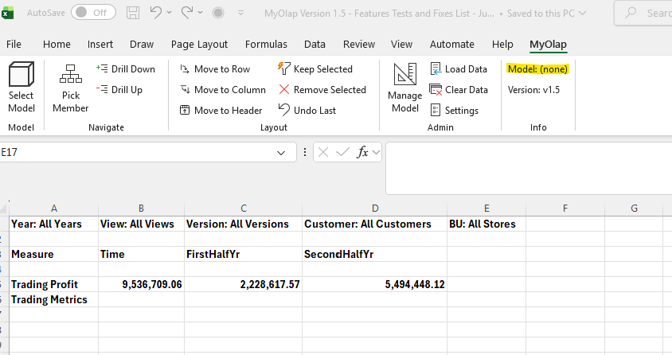
Following 2 items are not fixed from list 6
5. When the sheet model is not chaanged, the sheet layout should not be changed to default. For e.g. when i setup a report layout like below, and I select the same model, the view should not be reset to default. The view should only be refreshed using the worksheet layout. Currently it resets to the default layout view for the model even though the source of the report is the same model. | OK

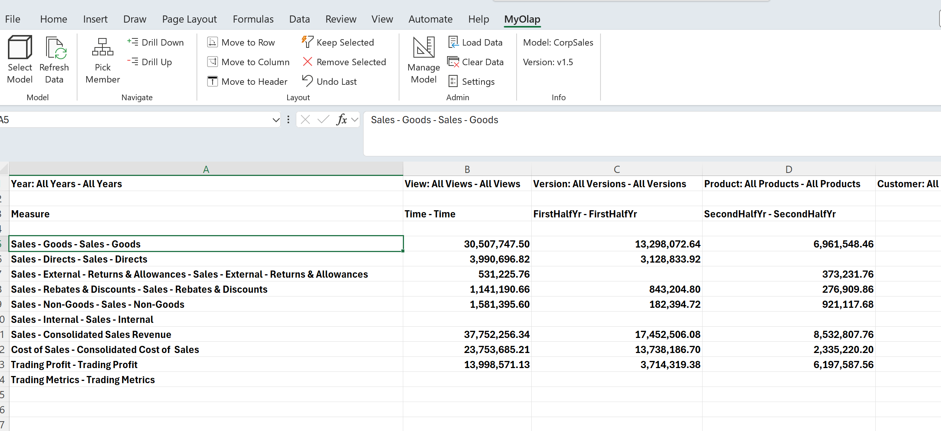

it goes back to the default view below when I select the same model again. The report format should be retained and data refreshed when the same model is selected | OK

6. When a new dimension is added to a model which already has data, please display alert "New dimension requires data to be reloaded. Please clear data first and retry". Allow adding a new dimension only to an empty model | OK

6b. In Load Data option, if data file does not specify data for each dimension, display alert "Data for dimension XXX not provided. Please provide data for all dimensions in the data source". | OK

7. When I close and reopen an excel workbook which has a report layout I previously used, the sheet remembers the model but the Model info is not updated in the Info section. Please show connection source model name. | Ok

Bugs List (6)
1. Added QTD and QTDJan, QTDFeb, QTDMar - with shared members Jan, Feb, Mar. when I drill down into QTD, no data shows up for QTDJan, QTDFeb and QTDMar. This is same as Bug List (4) item 2. | ok
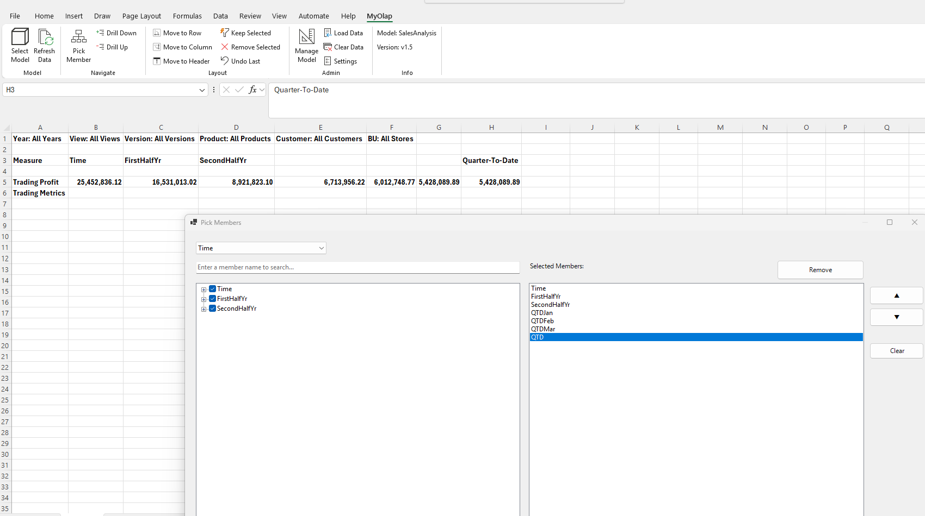

2 Model Does not calculate YTDSep for Margin. Yeartotal is corectly calculated. Similarly YTDSep should also be calculated. | ok
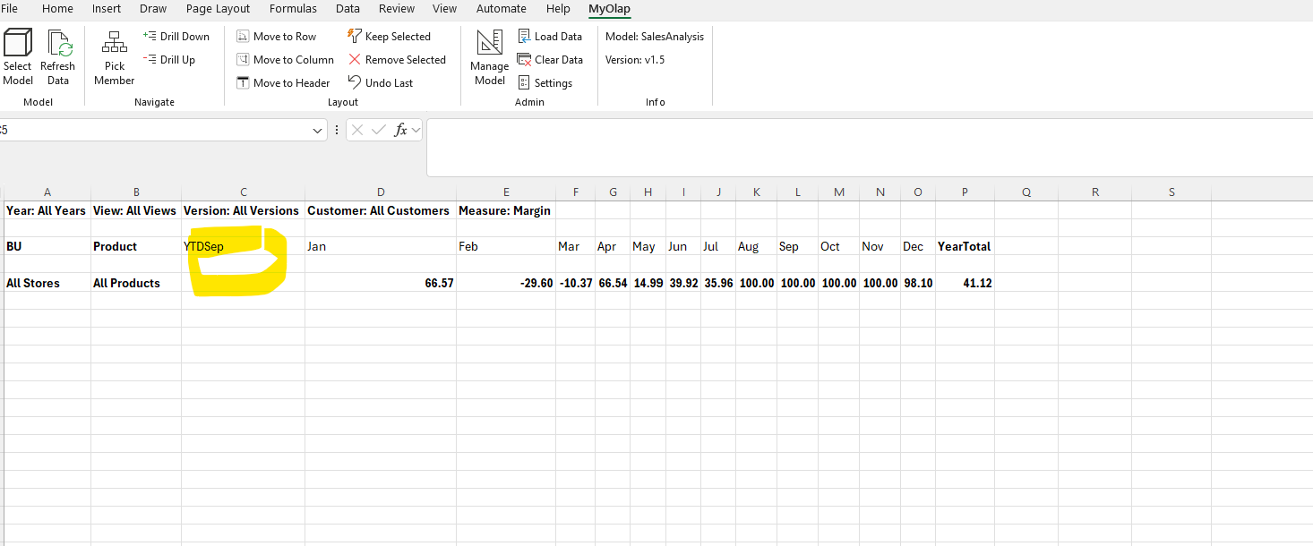

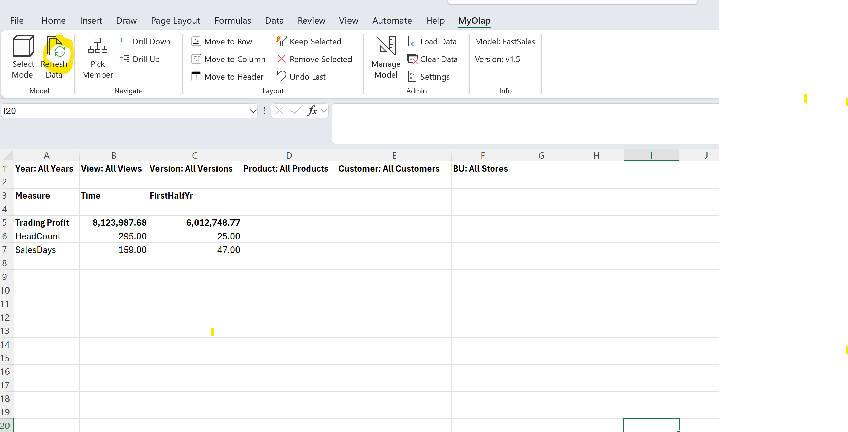
3 Remove the Refresh button as it is serving no purpose. All ribbon options have an automatic refresh.
 | ok

ok | ok
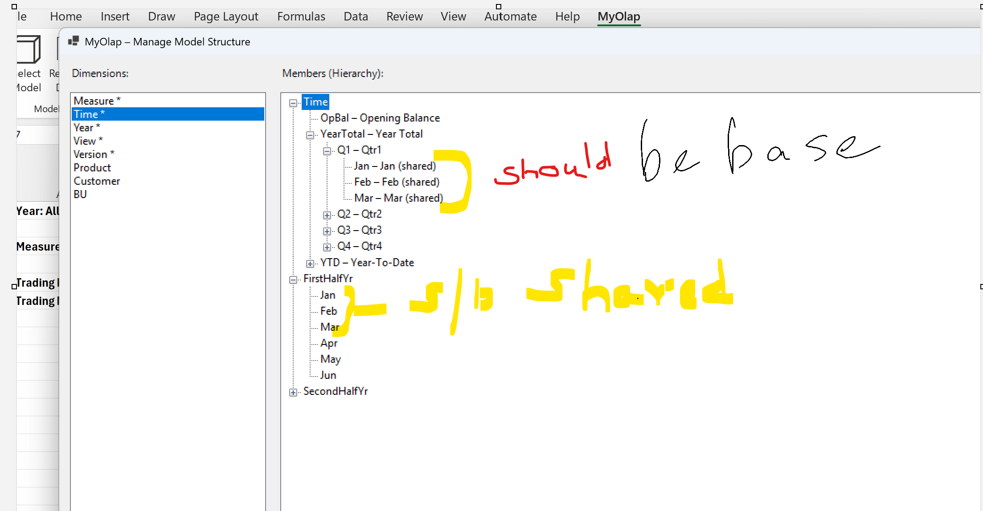

5. When a report layout is setup like below, and I select the same model, the view should not be reset to default. The view should only be refreshed. Currently it resets to the default view for the model even though the source of the report is the same model.

it goes back to the default view below when I select the model again

6. When a new dimension is added to a model which already has data, please display alert "New dimension added, please map data to new dimension and reload". Currently, it duplicates the data in the new dimension members. See below when Cost Centre dimension is added to model

Bugs List (5)
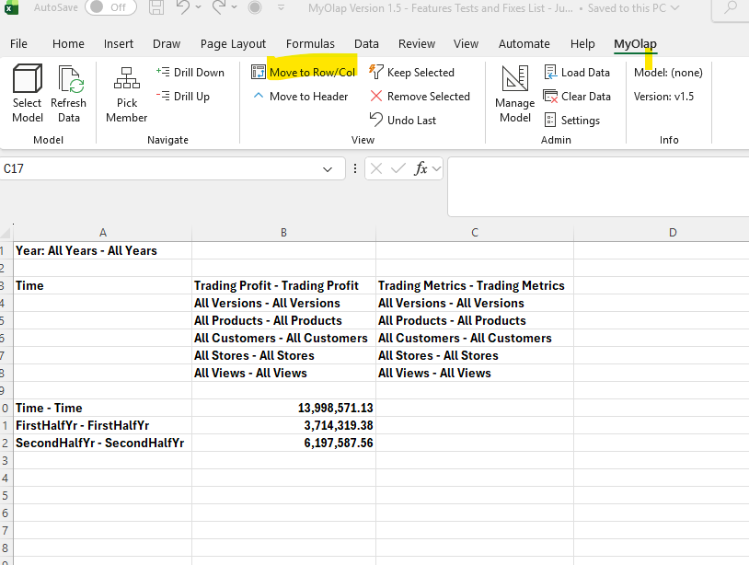
# | Description | Status
1 | Drill Down - all generations. All dimension hierarchies shuld show rollups after the members - just like Measure dimension pic1 | ok
2 | When I move meashre Measure:Margin-Profit Margin using "Move to Header", the values disappear pic2 | ok
3 | Please change the View group name to "Layout", since we have a dimension called View pic3 | ok
4 | Please put "Move to Row" and "Move to Column" as two separate options one below the other instead of Move to Row/Col pic4 | ok
5
6

Pic1
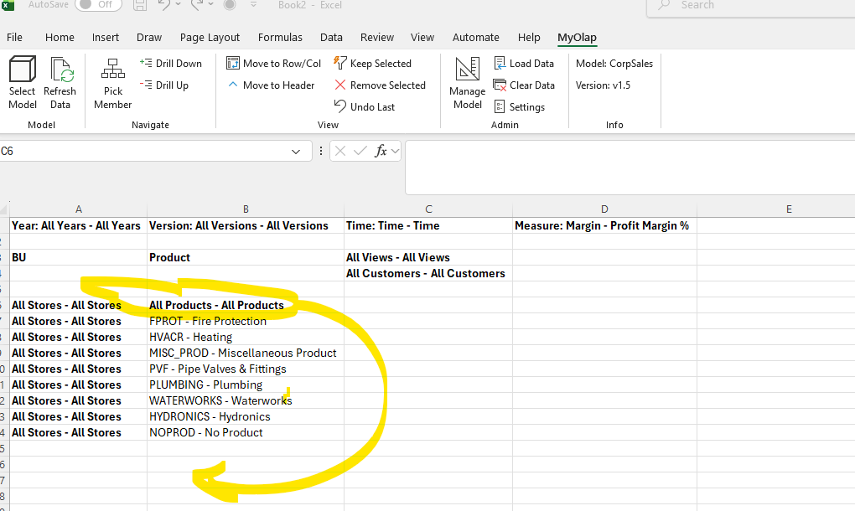

Pic2
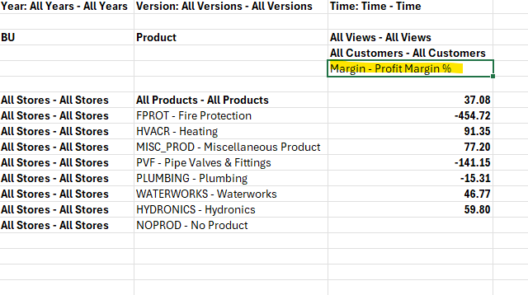

pic2b
when I click on Margin-profit margin %, Move to Header - the numbers disappear
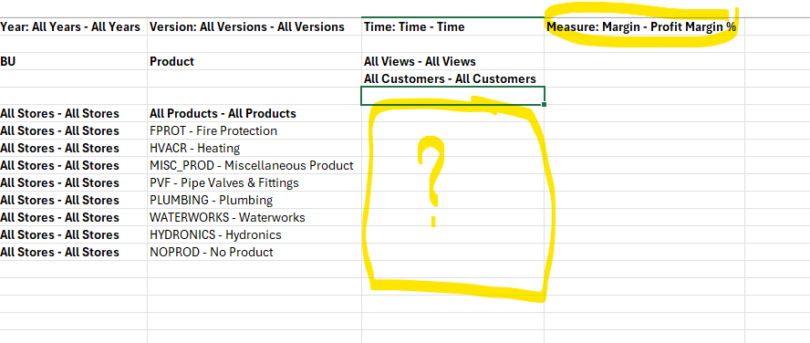

Pic3
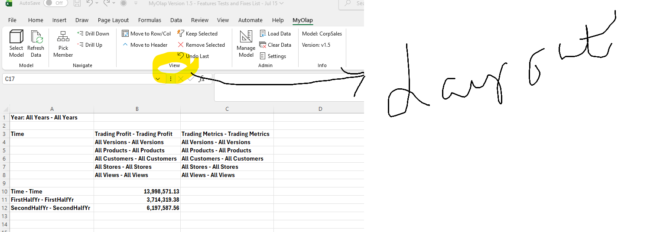

Pic4

Bugs List (4)
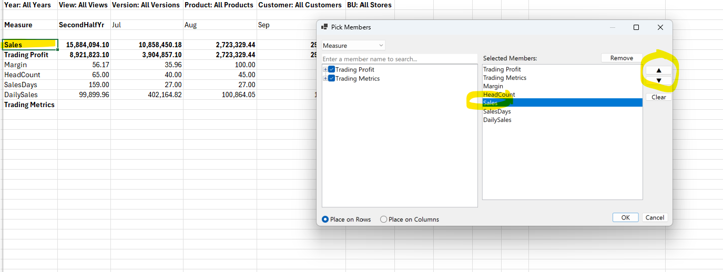
# | Description | Status
1 | when selecting a model with a sheet that has data, upon confirmation to clear, the sheet is not cleared before showing the new model default view - Pic1 | ok
2 | added Jul and Aug using Manage Model-add member - under YTDAug. The total is not showing up - Pic2 | nok
3 | YTDSep has a formula defined as YTDAug + Sep (see Sales Dimensions.xls). YTDSep is not showing values, similarly YTDAug which has 2 shared members under it also does not show values - Pic3 | ok
4 | When I select Sales from the pick members window and reorder it before sales days, the new order does not show up on the refreshed sheet | ok
5
6

7
8
9
10
11
12

Screenshots

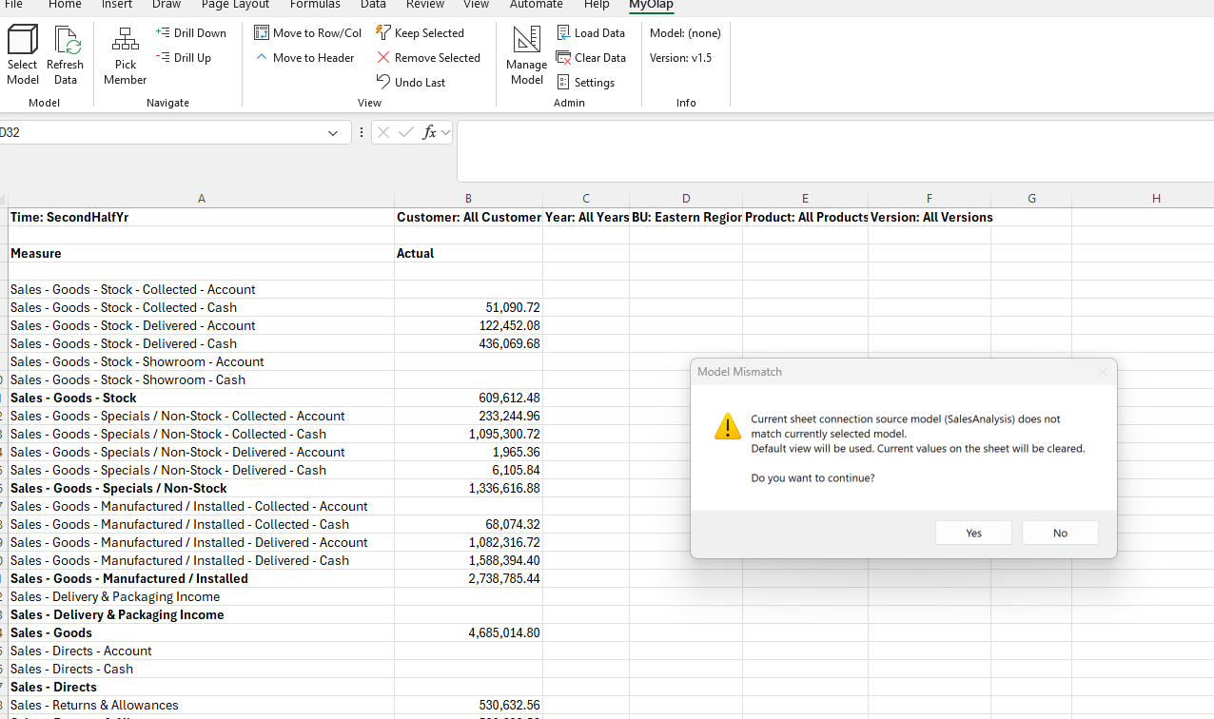

Pic1

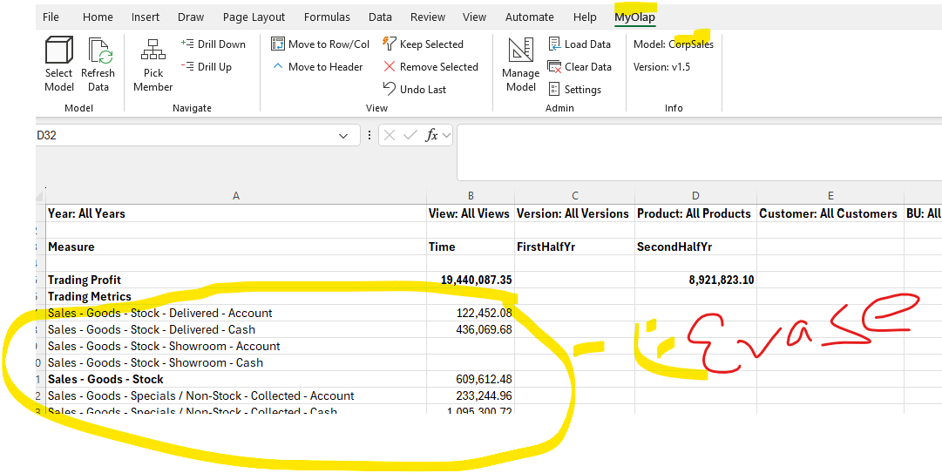

Pic2

Pic3
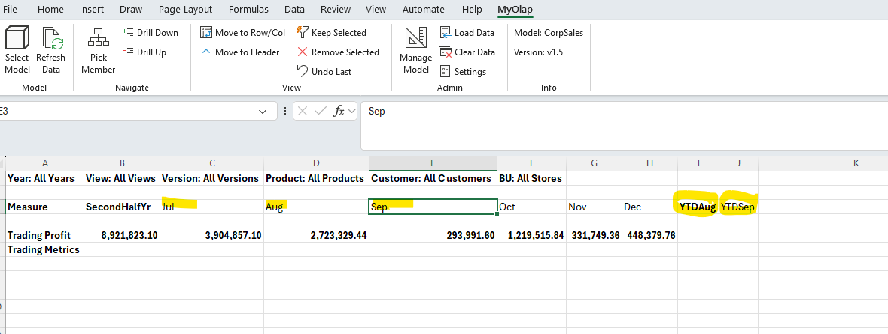

Pic4

Bugs List (3)
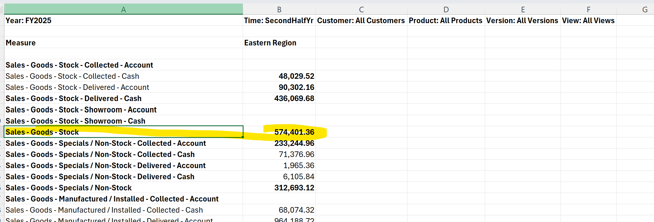
# | Description | Status
1 | Values not aligned with members selected. See pic 1
2 | Settings window not rendering properly pic2
3 | Change Pick Member window title to Pick Member, Show collapsed members, in the dimension, don’t expand. Should look like Manage Model dimension selector pic 3 |  | Pic 5
4 | Add member screen not rendering properly
5 | First occurrence of any member, e.g. Jan, Feb, Mar should be (Primary Non-shared) members, the second occurrence should be shared. Currently, the shared, Primary sequence is reversed pic 5
6 | After creating a new model and loading dimensions, when I press refresh, the updated dimensions should show up pic 6. Currently it does not
 | the text settings should read "Preserve Excel Formulas and Text in Worksheet" pic 7
7 | Reorder icons as below in logical order of normal use: in View group, place "Move to Header" below Move to Row/Col on the right place "Keep Selected", "Remove Selected" and "Undo Last".
8 | Change the message when drill down with preserve formulas to "Formulas and Text in this worksheet will be lost. Do you want to continue". No need to show the cells with formulas or text. Pic 8
9 | when I cancel drill down operation after message above, and do a refresh, it still shows the same nessage as Pic 8
10 | Change title to move to Row/Col pic 9
11 | Inconsistent Bold - Bold should apply only to rollups (member name and value) pic 9
12 | only rollups should be highlighted in bold . Base generation members and values should not be highlighted. pic10

 | pic1

 | Pic2

 | pic2
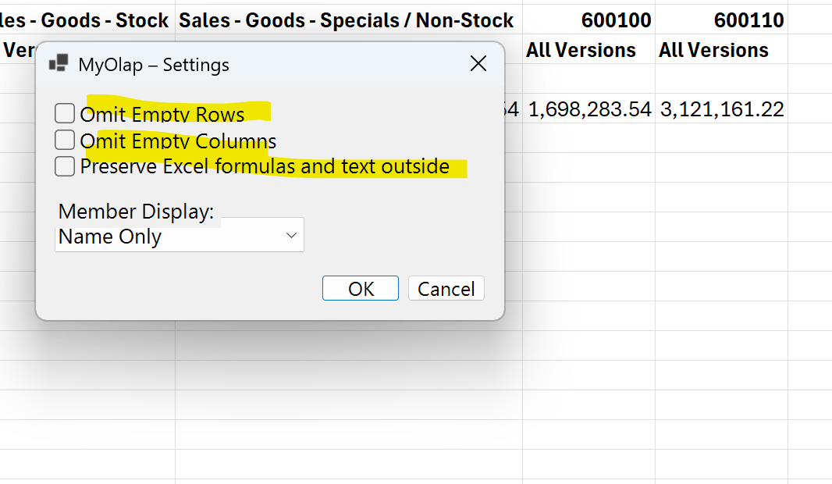

 | Pic3
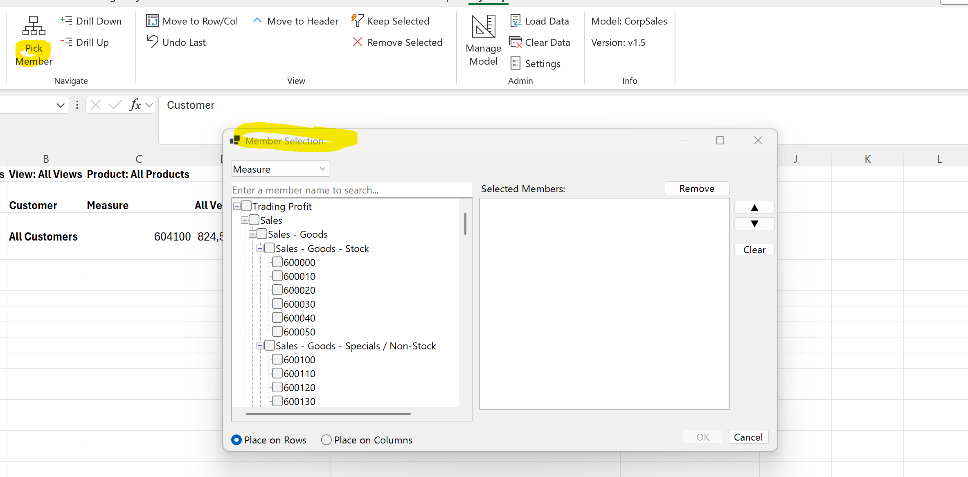

 | pic 4
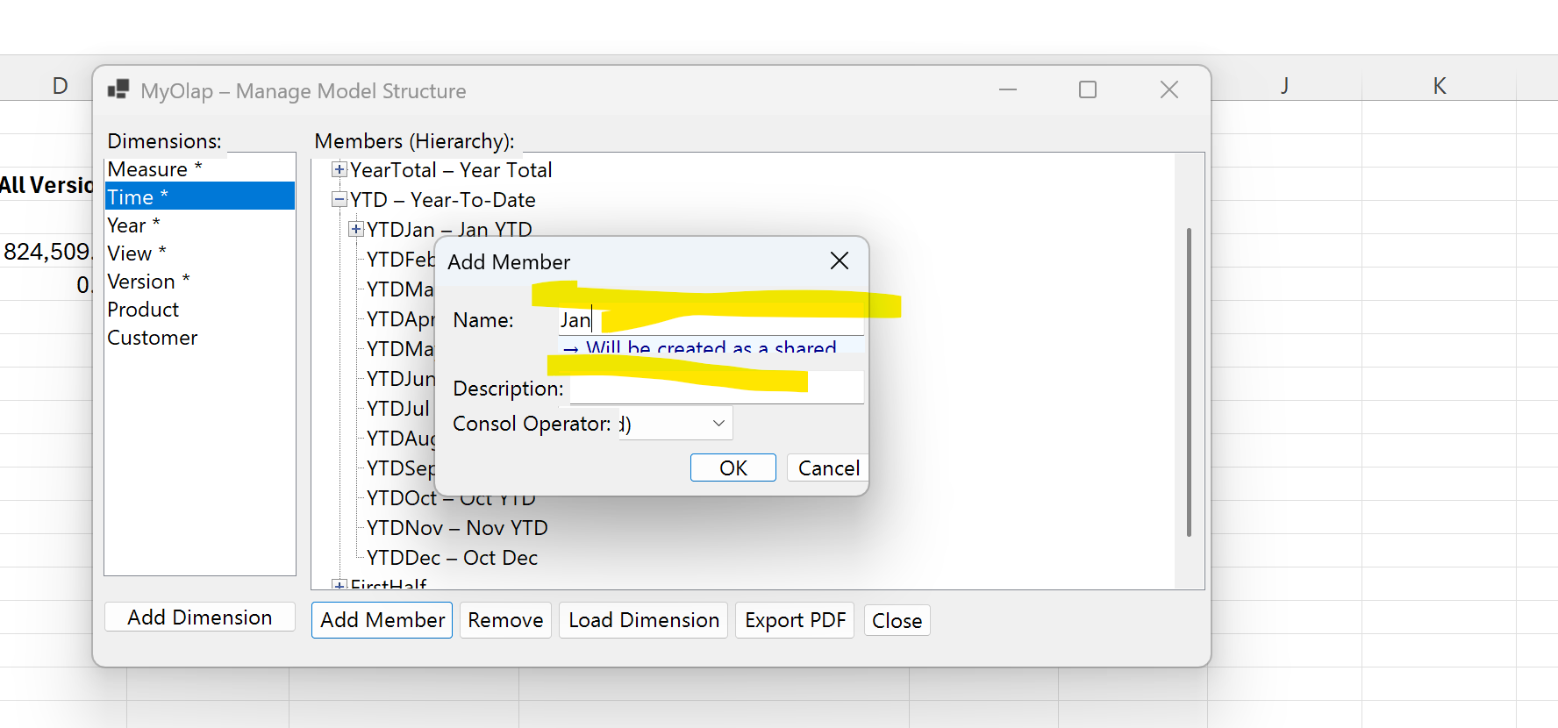

Pic 5
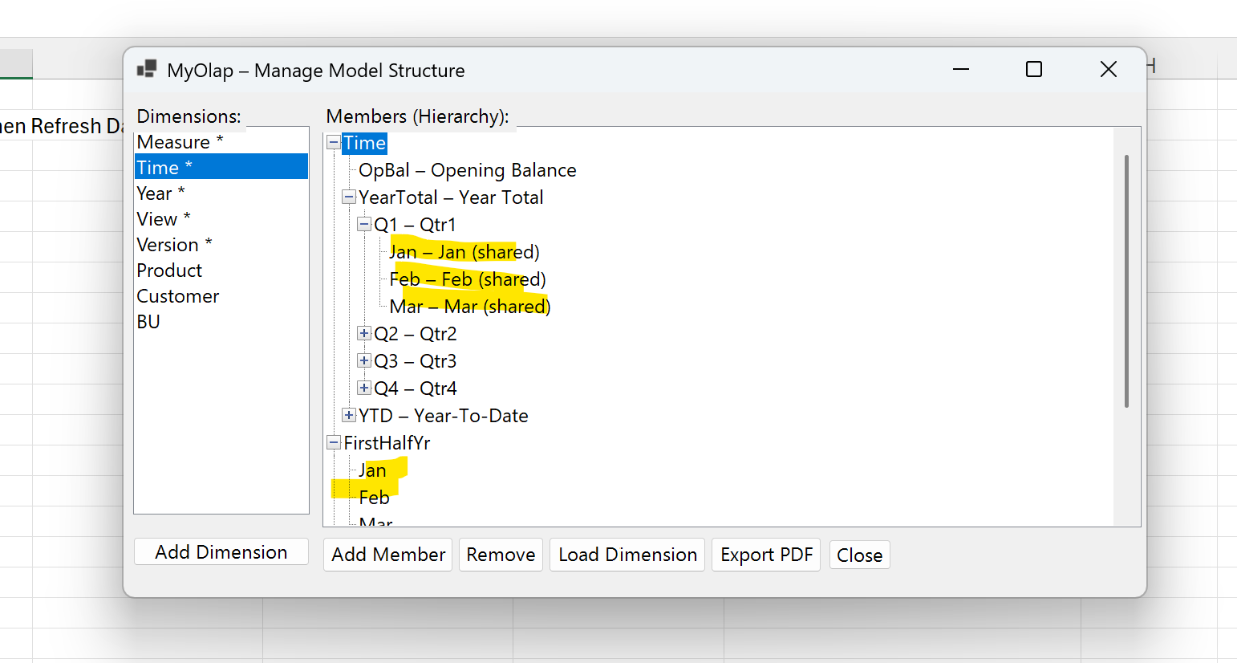

 | pic 6
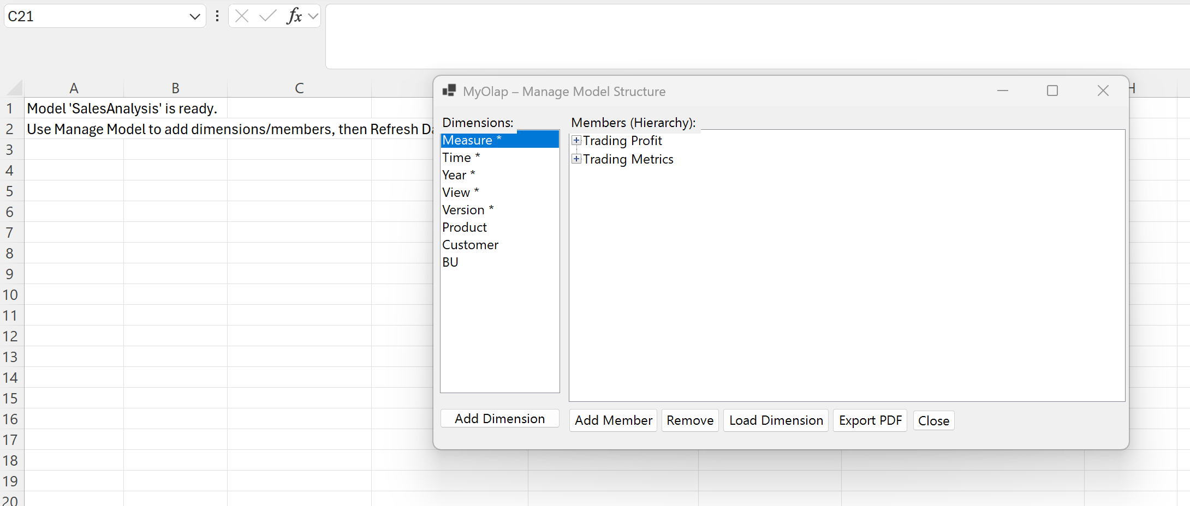

 | pic 7
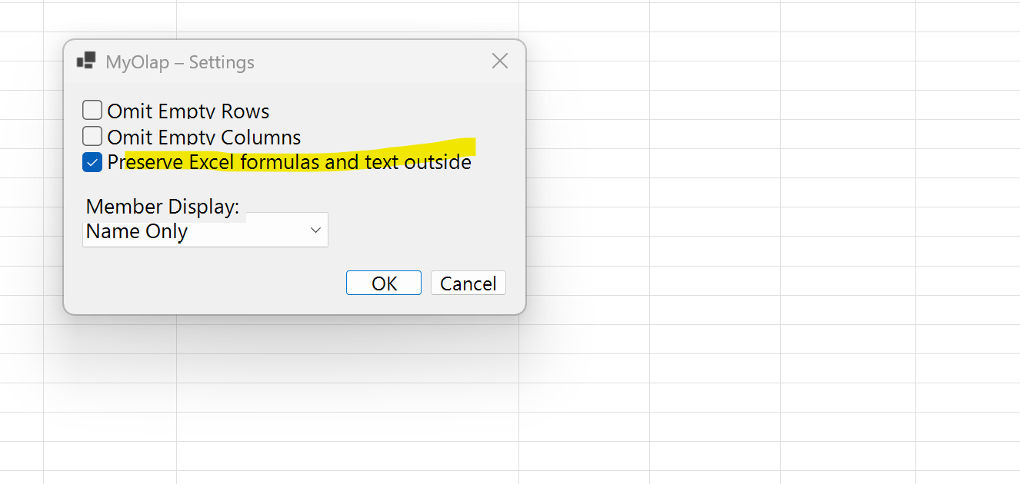

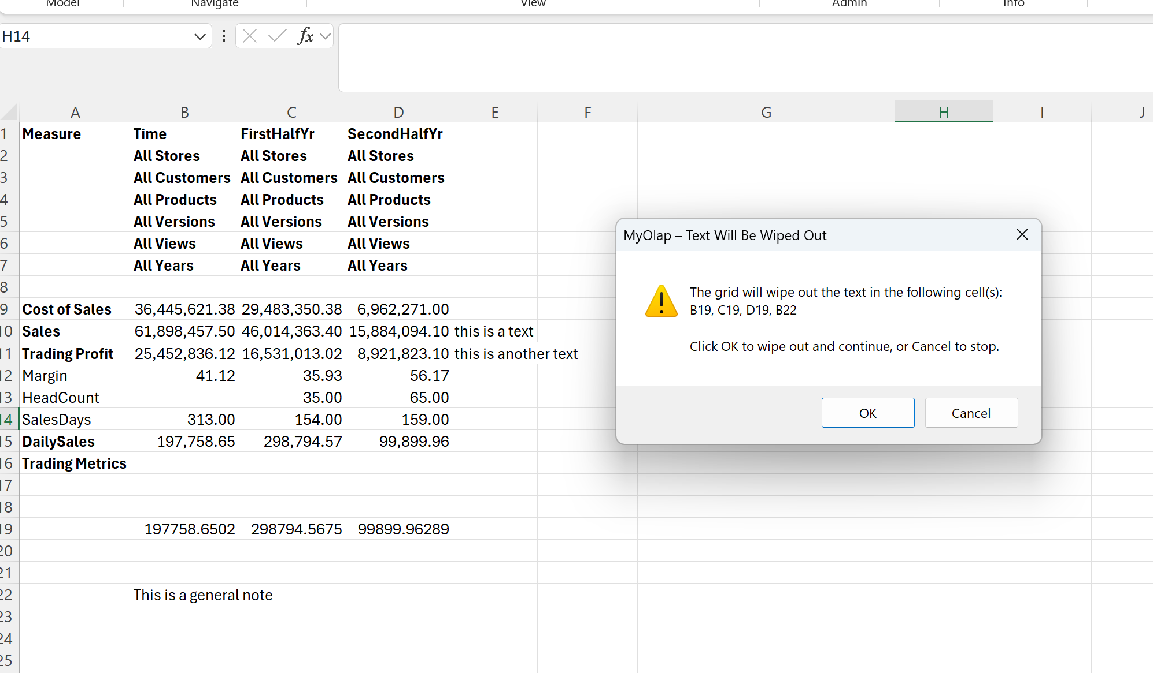
 | pic 8

 | pic 9

 | pic 10

Bugs List (2)
# | Description | Status
1 | Each time I add member in the time dimension manually, the window closes
2 | move to header navigation, if already moved to header, should not move again
3 | Daily Sales not calculating, equation processing needs review |  | Pic 5
4 | Added 3 members under YTDMar - Jan, Feb Mar. they are not calculating. Should be created as shared members. See pic1
5 | Pick members should allow to pick specific members not the whole structure Pic2
6 | Swap to row/col does not show data after swap Pic3
 | Move to header from the row dimension, if there is only one dimension on the row, returns no data. See pic 3
7 | Reorder icons as below in logical order of normal use: in View group, rename "Swap to Row/Col" to "Move to Row/Col", below this place "Undo Last" Show "Keep Selected" on the right hand, below that show "Remove Selected" In the Admin group: show "Load Data", then "Clear Data" below and then "Settings"

 | pic1

 | Pic2
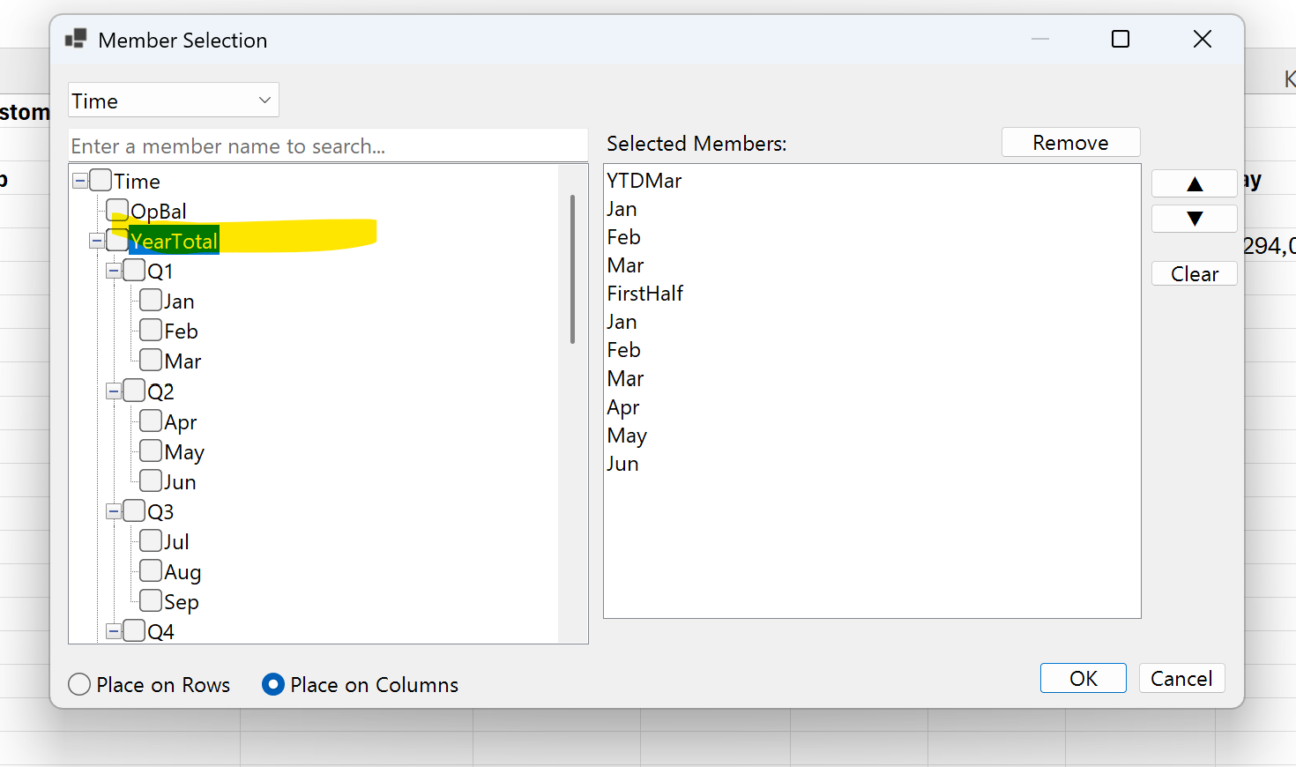

 | Pic3

 | after swapto row/col on Time

Bugs List (1)
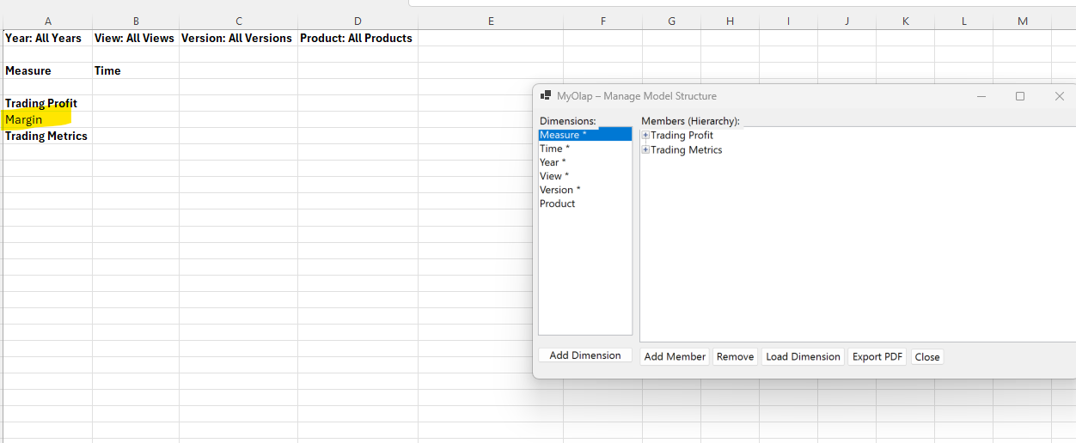
# | Description | Status
1 | When a new model is created and the dimensions are loaded, when I press refresh, the model dimension should appear. Currently it does not show new model dimension in the sheet upon refresh |  | Pic1
2 | in manage structure, Load "All dimensions" option did not load all dimensions in the sales dimension.xls file. Missed Product, Customer and BU dimensions. Should check and load all dimensions in the dimensions.xls. Sometimes there may be upto 12 dimensions
3 | When a model is selected and refreshed the measure dimension should show the first generation members only (see pic 1)
4 | In pick member option, the highlighted items need to be placed on the sheet. Currently only one item is shown on the right side (pic 2)
5 | In Manage Model show only the generataion 1 members and user can expand as needed. Don’t show expanded structures
6 | From the default view when I swap member to row or column or move to header, the data disappears (pic3)
7 | Only the shared member values are showing up for periods. The values are missing for the base members for all measures. (Pic4)
8 | YTDJun does not show values. This should be the total of Jan to Jun
9 | Make setting popup window bigger and readable (pic5)
10 | Row comments disappear on refresh (pic6)

 |  |  | Pic2
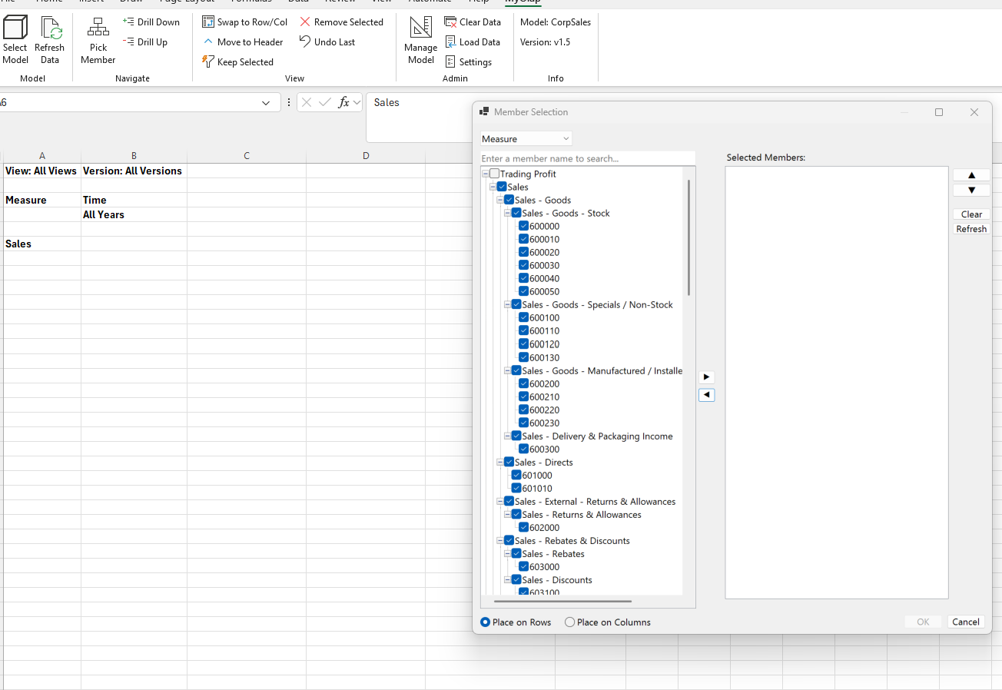

 |  |  | Pic3
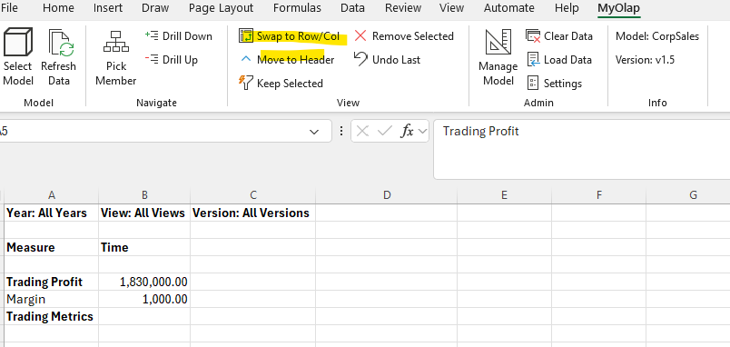

 |  |  | Pic4

 |  |  | Pic5
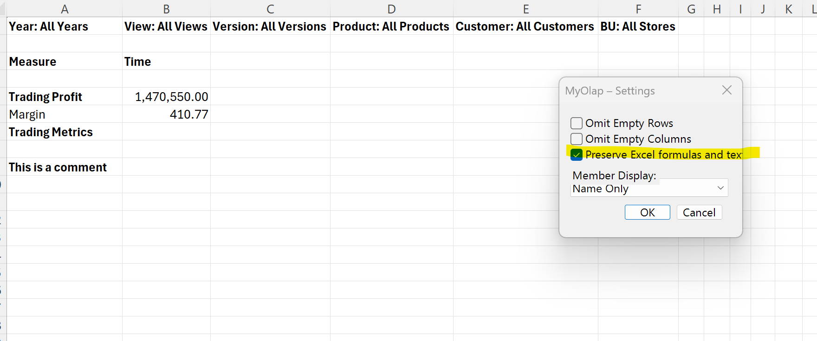

 |  |  | Pic6

Features
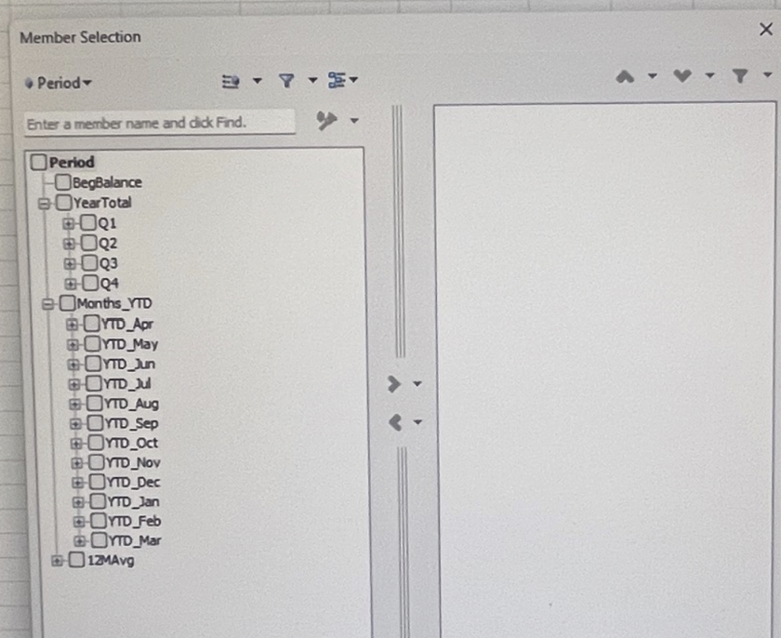
# | Description | Build Status | Test Status | Priority | Version
4 | In Pick member option allow multiple select and a search option. Add selected items to a selected pane. The selected members will show on the right. When Ok is pressed, then it is presented on the sheete current axis (row/col). See Pic 1 below for example layout of selection window. Refresh data when "Refresh" is clicked. | complete | Fail | 1 | 1.5
5 | Provide option below swap to row/col to "Move to Header" for any selected dimension/member to row, column | complete | Pass | 1 | 1.5
7 | Ability to define formulas in the Measure and Time dimensions.Use the formula from the formula column in the Dimension.xls E.g. "Profit Margin" = "Trading Profit"/"Sales"*100. | complete |  | 1 | 1.5
8 | Use the Time Balance Column to determine how Qtr, YTD and YearTotal values are shown for Measures. TimeBal for a measure could be "Flow", "Last" or "Equation". Flow shows total for YearTotal, "Last" shows Last value in the time rollup (e.g. Dec). "Equation" uses member formula to calculate value | in progress | Fail | 1 | 1.5
9 | In the Manage Structure, Load Dimension option, provide "All Dimensions" button to allow one click button to update all dimensions | complete | Fail | 1 | 1.5
10 | In Load dimension option, provide a "Close" button to exit window. After each dimension update, do not close window until close button is pressed | complete | Pass | 1 | 1.5
11 | Save/Remember the model name context for each sheet refreshed. Warn if the current sheet has data in the grid and the sheet selected source model does not match selected model - "Current sheet connection source model (modelName) does not match currently selected model. Default view will be used. Current values on the sheet will be cleared. Do you want to continue?" | complete | Pass | 1 | 1.5
13 | Enable "Preserve Excel Formulas, Format and Text" outside Grid area in settings. Excel formulas to be preserved for : refresh, drill down, drill up, keep selected, remove selected, undo last. Show a warning message for the Swap row/column option saying "formulas and text in this worksheet will be lost. Do you want to coninue" | complete | Fail | 1 | 1.5
16 | Allow any base member to be under multiple hierarchies for the Measure and Time dimensions . For e.g. Jan, Feb, Mar will be under Q1 and also can be added under YTDMar. Jan, Feb, Mar will be called shared members under YTDMar. | in progress | Pass | 1 | 1.5
17 | Encrypt/password protect MyOlap SQLLITE DB so it is not available for sql queries by users | in progress | Pending | 1 | 1.5
18 | Define steps to create a distributable .exe (MyOlap_Setup.exe) with MyOap_ReadMe.pdf with version update and what is new info | in progress | Pending | 1 | 1.5
 | Count |  |  | 11

 | Pic 1 - Pick Member multiple select popup example

